12.10.2021
 | G131 Gear Ratios |  |  | Example |  |  | Example
 |  |  |  | Teng =100 Nm | in Nm | in Nm | Speed - 1000
Gear Pos. | Overall Ratio | Range Ratio | Main gearbox ratio | Torque at Engine | Torque at Output shaft | Torque at Range In | Engine rpm | Output shaft rpm | Find gear ratio
C | 14.573 | 3.667 | 3.974 | 100 | 1457.3 | 397.4 | 1000 | 68.62 | 14.573
1 | 9.478 | 3.667 | 2.585 | 100 | 947.8 | 258.5 | 1000 | 105.51 | 9.478
2 | 6.635 | 3.667 | 1.809 | 100 | 663.5 | 180.9 | 1000 | 150.72 | 6.635
3 | 4.821 | 3.667 | 1.315 | 100 | 482.1 | 131.5 | 1000 | 207.43 | 4.821
4 | 3.667 | 3.667 | 1.000 | 100 | 366.7 | 100.0 | 1000 | 272.70 | 3.667
5 | 2.585 | 1 | 2.585 | 100 | 258.5 | 258.5 | 1000 | 386.85 | 2.585
6 | 1.81 | 1 | 1.810 | 100 | 181 | 181.0 | 1000 | 552.49 | 1.81
7 | 1.315 | 1 | 1.315 | 100 | 131.5 | 131.5 | 1000 | 760.46 | 1.315
8 | 1 | 1 | 1.000 | 100 | 100 | 100.0 | 1000 | 1000.00 | 1

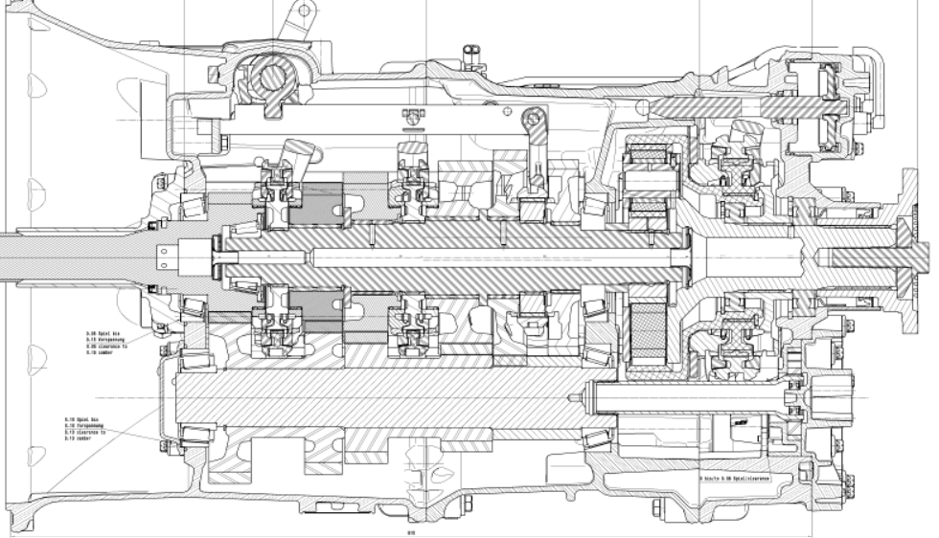

Main gearbox
Range Group

Torque at Output shaft

T eng
Range IN Torque
Output shaft

